KKO
KAJIAN KELAYAKAN OPERASI

DAYA LAMA |  |  |  | DAYA BARU
Nama Pelanggan | : | PD PUSKESMAS TOROH 11-23KVA |  | Nama Pelanggan | : | PD PUSKESMAS TOROH 11-23KVA
Daya Lama (VA) | : | 11000 |  | Daya Baru (VA) | : | 23000
Jumlah Fasa | : | 1 | * | Jumlah Fasa | : | 3
Tegangan Sekunder Pengukuran rata-rata (Fasa-Netral) (V) | : | 220 | * | Tegangan Sekunder Pengukuran rata-rata (Fasa-Netral) (V) | : | 380
Beban Pelanggan (A) | : | 50.14 |  | Beban Pelanggan (A) | : | 34.94

SUPLAI TRAFO EKSISTING |  |  |  | SUPLAI TRAFO RENCANA
Nomor Tiang | : | DC PWI04-K2-750 - PWI12-K2-750 |  | Nomor Tiang | :
Penyulang | : | PWI12 |  | Penyulang | :
Daya | : | 160 | * | Daya | :
Jumlah Fasa | : | 3 | * | Jumlah Fasa | :
Beban TRAFO (Pengukuran Lapangan) |  | 147 |  | Beban TRAFO | : | 34.94
Beban Primer | : | 4.62 | * | Beban Primer | : | 0.00
Beban Sekunder | : | 243.09 | * | Beban Sekunder | : | 0.00
Beban (A) | : | 0.24 |  | Beban (A) | : | 0.00
Prosentase Pembebanan | : | 60% |  | Beban (A) | : | #DIV/0!
 | 0% | 100%
Prosentase Pembebanan | : | 100% |  | Beban (A) | : | 100%

DATA





DATA
Tahun | : | 2023
Discount Rate | : | 12%
Transfer price TM | : | 1,084 |  | Marginal COST maret 2022
Umur ekonomis (tahun) | : | 25.00
Selisih Susut Teknis | : | 2.25%
∑ Daya | : | 12
BP (Rp) | : | 11,628,000
RAB (Rp) | : | 8,275,196
Biaya O&M (2% invest) | : | 165,503.92

Nama Pelanggan | : | PD PUSKESMAS TOROH 11-23KVA | *
Golongan Pelanggan | : | P1 | *
Jenis Layanan | : | REGULER | *
Daya Lama (kVA) | : | 11 | *
Daya Baru (kVA) | : | 23.00 | *
Tarif WBP (Rp/kWh) | : | 1,444.70 | *
Tarif LWBP (Rp/kWh) | : | 1,444.70 | *
BP (Rp/VA) TR | : | 969 | *
Jam Nyala | : | 40 | *

RAB
 |  | PT. PLN ( PERSERO )
 |  | UNIT INDUK DISTRIBUSI JAWA TENGAH & DI YOGYAKARTA |  |  |  |  |  |  |  |  |  |  | RAB TOTAL
 |  | UP3 DEMAK |  |  |  |  |  |  |  |  |  | RAB TOTAL | RAB NON MDU
 | RENCANA ANGGARAN BIAYA (RAB)

 |  |  |  | Pekerjaan | : | PD PUSKESMAS TOROH 11-23KVA
 |  |  |  | Lokasi | : | TOROH
 |  |  |  | Pelaksana | : | PT. PLN (PERSERO) UP3 DEMAK
 |  |  |  | Anggaran | : | SAR 2023

Note !! 1. Saat Pengisian Uraian di mohon memasukan nama material sesuai dengan nama material di harga satuan
2. Mohon di cek kembali saat pengisian volume material
3. Untuk program Sarana Penunjang Fungsi tidak perlu SLO.
 | NO | URAIAN | GOL | SAT | VOL | HARGA SATUAN | BIAYA YANG DIPERLUKAN ( Rp )
 |  |  |  |  |  |  | MDU | HARDWARE | JASA | JUMLAH

 |  |  |  |  |  | 0 | 0 | 0 | 0 | 0
#REF! | I | PEMASANGAN TIANG |  |  |  | 0 | 0 | 0 | 0 | 0
 |  |  |  |  |  | 0 | 0 | 0 | 0 | 0
 |  |  |  |  |  | 0 | 0 | 0 | 0 | 0
 | II | PEMASANGAN KONSTRUKSI |  |  |  | 0 | 0 | 0 | 0 | 0
 |  |  |  |  |  | 0 | 0 | 0 | 0 | 0 | #REF!
 | III | PEKERJAAN PEMASANGAN KONDUKTOR |  |  |  | 0 | 0 | 0 | 0 | 0
 |  |  |  |  |  | 0 | 0 | 0 | 0 | 0
 |  |  |  |  |  | 0 | 0 | 0 | 0 | 0
 |  |  |  |  |  | 0 | 0 | 0 | 0 | 0 | #REF!
 | IV | PEMASANGAN APP |  |  |  | 0 | 0 | 0 | 0 | 0
 | + | Daya 23.000 VA |  | Unit | 1 | 0 | 0 | 0 | 0 | 0
 | 1 | KWH Elektronik; 3P; 4W; 220/380V; 5(80) A; kls 1 (Pengukuran Langsung) | MDU-KD | Bh | 1 | 1,427,400 | 1,427,400 | 0 | 0 | 1,427,400
 | 2 | Smart Box Langsung Daya 23 kVA MCCB 35 A | MDU-KD | Unit | 1 | 3,564,900 | 3,564,900 | 0 | 0 | 3,564,900
 | 3 | Modem 3G/4G | HDW | Unit | 1 | 1,113,900 | 0 | 1,113,900 | 0 | 1,113,900
 | 4 | NFA2X 4 x 16 mm² | MDU-KD | Mtr | 50 | 13,500 | 675,000 | 0 | 0 | 675,000
 | 5 | Upah Pasang SR + APP 3 Fasa | JASA | Unit | 1 | 106,400 | 0 | 0 | 106,400 | 106,400
 |  |  |  |  |  | 0 | 0 | 0 | 0 | 0
 | + | CM2-11 |  | Unit | 1 | 0 | 0 | 0 | 0 | 0
 | 1 | Ground rod ⅝" x 8" Copper Weld | HDW | Bh | 1 | 185,200 | 0 | 185,200 | 0 | 185,200
 | 2 | Bimetalic Connector 35 - 240 mm² | HDW | Bh | 1 | 47,459 | 0 | 47,459 | 0 | 47,459
 | 3 | Ground wire Cu 16 mm² | HDW | Mtr | 1.5 | 30,000 | 0 | 45,000 | 0 | 45,000
 | 4 | Ground rod & Washer | HDW | Bh | 2 | 9,500 | 0 | 19,000 | 0 | 19,000
 | 5 | Upah Pasang Acc.Jar M2-11 | JASA | Unit | 1 | 56,400 | 0 | 0 | 56,400 | 56,400
 | V | UPAH BONGKAR |  | 0 |  | 0 | 0 | 0 | 0 | 0
 | 1 | Upah Bongkar SR + APP 1 Fasa | JASA | Unit | 1 | 32,640 | 0 | 0 | 32,640 | 32,640
 |  |  |  |  |  | 0 | 0 | 0 | 0 | 0
 |  | SLO |  |  |  | 0 | 0 | 0 | 0 | 0 | #REF!
 | 1 | Sertifikasi Laik Operasi | JASA | Lot | 1 | 2.5% | 141,683 | 35,264 | 4,886 | 181,832
 |  |  |  |  |  |  | 0 | 0 | 0 | 0

 |  | Jumlah MDU - Hardware - Jasa |  |  |  | : | 5,808,983 | 1,445,823 | 200,326 | 7,455,131
 |  | PPN 11% |  |  |  | : | 638,988 | 159,041 | 22,036 | 820,064
 |  | Jumlah Total |  |  |  | : | 6,447,971 | 1,604,864 | 222,362 | 8,275,196
 | Terbilang : Delapan Juta Dua Ratus Tujuh Puluh Lima Ribu Seratus Sembilan Puluh Enam Rupiah

 | Harga yang dipakai adalah RAB HSS 2023

 |  |  |  |  |  |  |  | Demak, 30Agustus 2023
 |  |  |  |  |  |  |  | ASMAN PERENCANAAN

 |  |  |  |  |  |  |  | VALENTHINA EKA SABTI WONOHUSODO

GAMBAR
 | PT. PLN (PERSERO) UP3 DEMAK

-7.147955, 110.901955 | Keterangan Gambar :
 | No | Nama Material |  |  | Baru |  | Eksisting
 | 1 | Tiang Beton
 | 2 | Tiang Besi
 | 3 | JTM 3 Fasa
 | 4 | JTM 1 Fasa
 | 5 | JTR 1 Fasa Only / UB
 | 6 | JTR 3 Fasa Only / UB
 | 7 | Trafo 1 Fasa
 | 8 | Trafo 3 Fasa
s
s
 | 9 | Fuse Cut Out
 | 10 | ABSW
 | 11 | Vang Net
 | 12 | Schoor
 | 13
s
s
 | Bongkar Pasang Konstruksi :
 | Pasang |  |  |  | Bongkar

DC PWI04-K2-750 - PWI12-K2-750
1 C12-350
1 DC-C1-1H
1 CJ5-T
2 CJ6-T
1 G313 160KVA
1 CJ6-T
 |  |  |  |  | SR APP 1P |  | UNIT | 1

 | SR APP 23KVA |  | UNIT | 1

3 Ph 160 kVA
1 APP 3P 41,5 KVA
 | CM2-11 |  | UNIT | 1

1 APP 3P 23 KVA
 | LVTC 3X35+35 |  | MTR | 50

1 APP 3P 23 KVA
LVTC 3X35+35 = 50 MTR
1 CM2-11

1 APP 3P 33 KVA

 | Keterangan Tambahan : https://goo.gl/maps/BBmyPAdWKc4wmTC86

 | Golongan
 | No. Gambar |  | 1 |  |  | Lembar |  | dr
 | Gambar dari |  |  |  |  | Skala
 | Perihal:
 | PD PUSKESMAS TOROH 11-23KVA

 | Digambar |  | Spv. Rensis
 | Diperiksa |  | Man. Perencanaan
 | Diketahui |  | Man. Perencanaan
 | Disetujui |  | Manager

1 CG 313-A
1 C12-350E
1 CC7
3 CM2-11M
1 CM2-12
1 CM2-12A
1 F1-2
1 CE1-2

RUMAH SAKIT TRIMEDIKA
35
35
JL.PURWODADI-SUKOLILO-PATI

K2-541 B
1 C12-350E
1 CC1-A
1 CM2-12
1 CJ6-T
K2-541 A
1 C12-350E
1 CC8-AN
1 CM2-12
1 F1-2
1 CE1-2
K2-541
1 C12-350E
1 CC1
1 CC7
2 CM5-5
3 Ph 160 kVA

Peta lokasi
PETA LOKASI

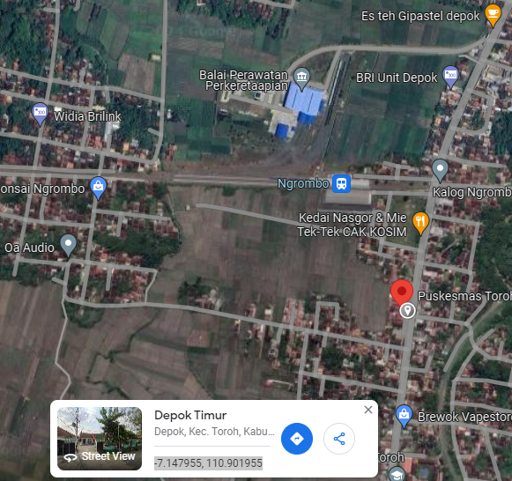

RS TRI MEDIKA KETAPANG

SLD
SINGLE LINE DIAGRAM LOKASI

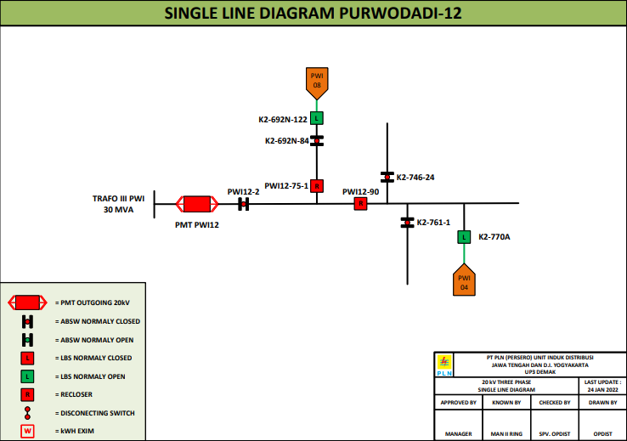

lokasi

